Introduction
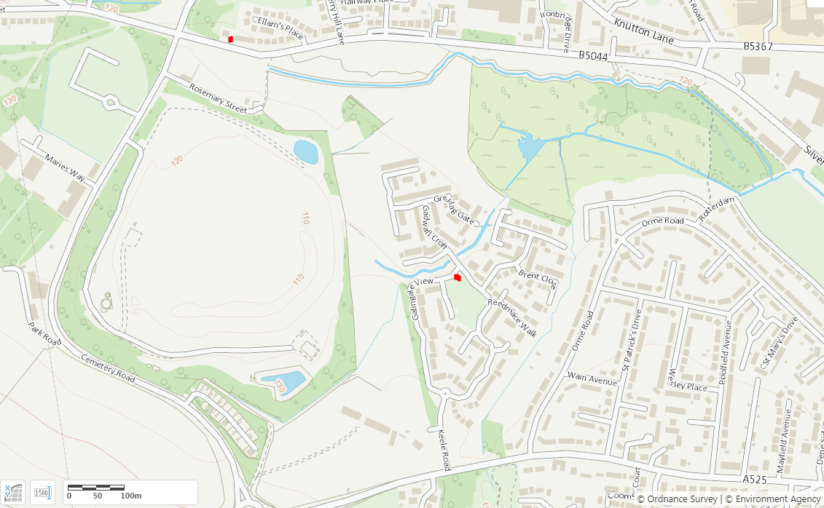
Environment Agency

Silverdale, Newcastle-under-Lyme
March Air Quality Data Set

This data collected is from two of the Environment Agency's Mobile Monitoring Facilities (MMF2 and MMF9) located adjacent to the Walley's Quarry and Landfill Site in Newcastle-under-Lyme.
The data is from two MMFs as the additional two MMFs had not been installed at this stage. They will be included in future data sets.
Gaps in data here may be as a result of power supply failure, hardware failure, communication loss or software updates. In some cases it may be possible to retrospectively include this information.
We call this data, "rectified data" as it has undergone a basic quality assurance check and has been subjected to calibration where possible. However as the calibration dates don't directly match the data collection period, this is not "final data" and it is likely that this rectified data set may be updated following calibration.
The data is presented in the tabs below.

Monitor Identity | Location | Status
MMF 2 | Silverdale Road Pumping Station | Operational
MMF 9 | Galingale View Pumping Station | Operational

